Hoja 1
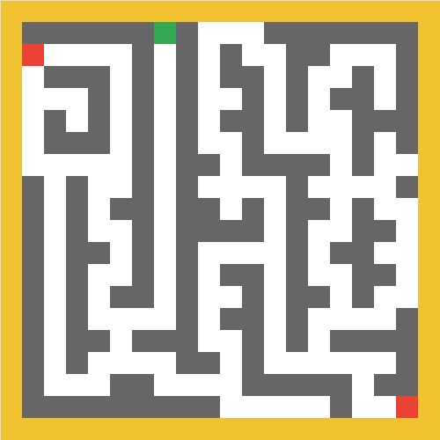
0 | 0 | 0 | 0 | 0 | 0 | 0 | 0 | 0 | 0 | 0 | 0 | 0 | 0 | 0 | 0 | 0 | 0 | 0 | 0
0 | 0 | 0 | 0 | 0 | 0 | 0 | 1 | 0 | 1 | 1 | 1 | 0 | 0 | 0 | 0 | 0 | 0 | 0 | 0
0 | 2 | 1 | 1 | 1 | 1 | 0 | 1 | 0 | 1 | 0 | 1 | 1 | 0 | 0 | 1 | 1 | 1 | 0 | 0
0 | 1 | 0 | 0 | 0 | 1 | 0 | 1 | 0 | 1 | 0 | 0 | 1 | 0 | 1 | 1 | 0 | 1 | 0 | 0
0 | 1 | 1 | 1 | 0 | 1 | 0 | 1 | 0 | 1 | 1 | 0 | 1 | 0 | 1 | 0 | 0 | 1 | 0 | 0
0 | 1 | 0 | 1 | 0 | 1 | 0 | 1 | 0 | 1 | 0 | 0 | 1 | 0 | 1 | 1 | 0 | 0 | 0 | 0
0 | 1 | 0 | 0 | 0 | 1 | 0 | 1 | 0 | 1 | 1 | 0 | 1 | 1 | 1 | 1 | 0 | 1 | 0 | 0
0 | 1 | 1 | 1 | 1 | 1 | 0 | 1 | 0 | 0 | 1 | 0 | 0 | 0 | 0 | 1 | 0 | 1 | 1 | 0
0 | 0 | 1 | 0 | 1 | 1 | 0 | 1 | 0 | 1 | 1 | 1 | 1 | 0 | 1 | 1 | 1 | 1 | 0 | 0
0 | 0 | 1 | 0 | 1 | 0 | 0 | 1 | 0 | 0 | 1 | 0 | 1 | 0 | 0 | 1 | 0 | 1 | 1 | 0
0 | 0 | 1 | 0 | 1 | 1 | 0 | 1 | 0 | 0 | 0 | 0 | 1 | 0 | 1 | 1 | 0 | 0 | 1 | 0
0 | 0 | 1 | 0 | 0 | 1 | 0 | 1 | 0 | 1 | 1 | 1 | 1 | 0 | 1 | 0 | 0 | 1 | 1 | 0
0 | 0 | 1 | 0 | 1 | 1 | 0 | 1 | 0 | 1 | 0 | 0 | 1 | 0 | 1 | 1 | 0 | 0 | 1 | 0
0 | 0 | 1 | 0 | 1 | 0 | 0 | 1 | 0 | 1 | 1 | 0 | 1 | 0 | 0 | 1 | 0 | 1 | 1 | 0
0 | 0 | 1 | 0 | 1 | 1 | 1 | 1 | 0 | 1 | 0 | 0 | 1 | 0 | 1 | 1 | 1 | 1 | 0 | 0
0 | 0 | 1 | 0 | 0 | 1 | 0 | 0 | 0 | 1 | 1 | 0 | 1 | 0 | 1 | 0 | 0 | 0 | 0 | 0
0 | 0 | 1 | 0 | 1 | 1 | 1 | 1 | 0 | 0 | 1 | 0 | 1 | 1 | 1 | 1 | 1 | 1 | 0 | 0
0 | 0 | 1 | 1 | 1 | 0 | 0 | 1 | 1 | 1 | 1 | 0 | 0 | 0 | 0 | 0 | 1 | 0 | 0 | 0
0 | 0 | 0 | 0 | 0 | 0 | 0 | 0 | 0 | 0 | 1 | 1 | 1 | 1 | 1 | 0 | 1 | 1 | 3 | 0
0 | 0 | 0 | 0 | 0 | 0 | 0 | 0 | 0 | 0 | 0 | 0 | 0 | 0 | 0 | 0 | 0 | 0 | 0 | 0

